Topics
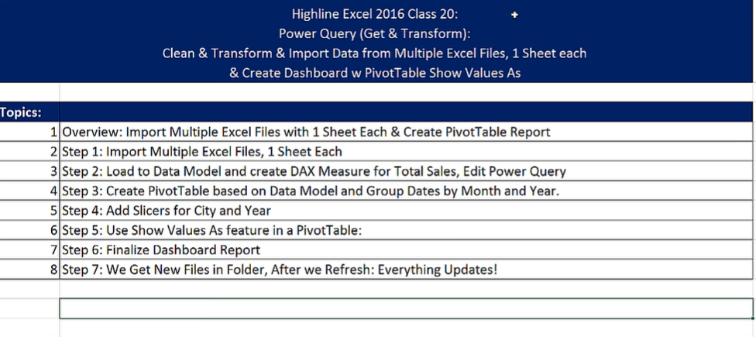

Outcome Desired
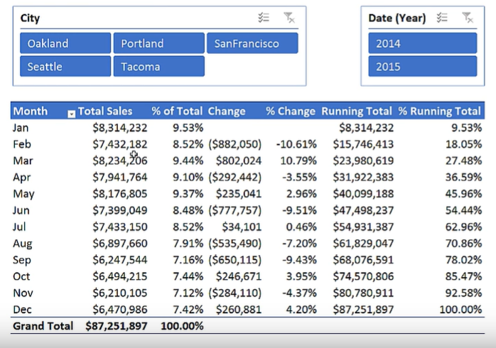

Columns
 | Month
 | Total Sales
 | % of Total
 | Change
 | % Change
 | Running Total
 | % Running Total
Slicers
 | City
 | Year

